Intro
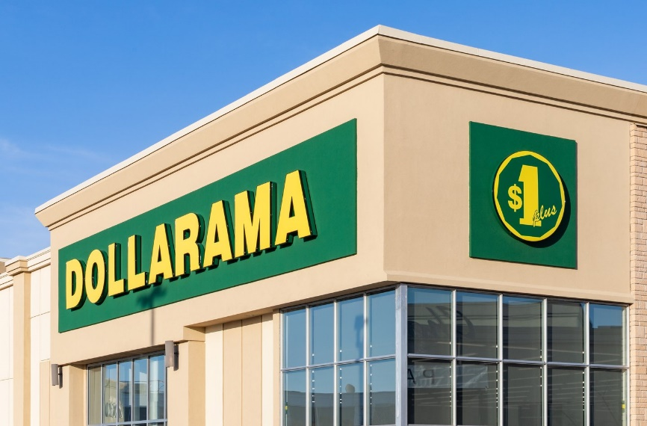
Dollarama Inc.
Company Financial Analysis + Valuation
By Asley Lopez Robleto

What's included:
Common Analysis
Ratio analysis
Cash Flow quality analysis
Forecast + Valuation

FY2021-FY2026
Financial position
Income statement
Cash flow statement

